시트1
Project Name: | NextLevel Research Conference Management System
Test CaseID | T4.2
Test Case Description | Reviewer edit his own review
Created by: | Yechan Kim
Date of testing: | 3rd November 2022
Actor: | Reviewer
Pre-condition: | Reviewer has made a review.
 | Reviewer view reviewed papers and is on paper content page.

Test Step | Step Details | Test Data | Expected Results | Actual Results | Pass/Fail/Not executed/Suspended | Screenshots, if possible | Remarks
T4.2 - 1 | Reviewer clicks "Edit" button below his previous review. |  | System will pop up the page for review edit. The user should be able to view the pop-up for review edit. | System pops up the page for review edit. | Pass | 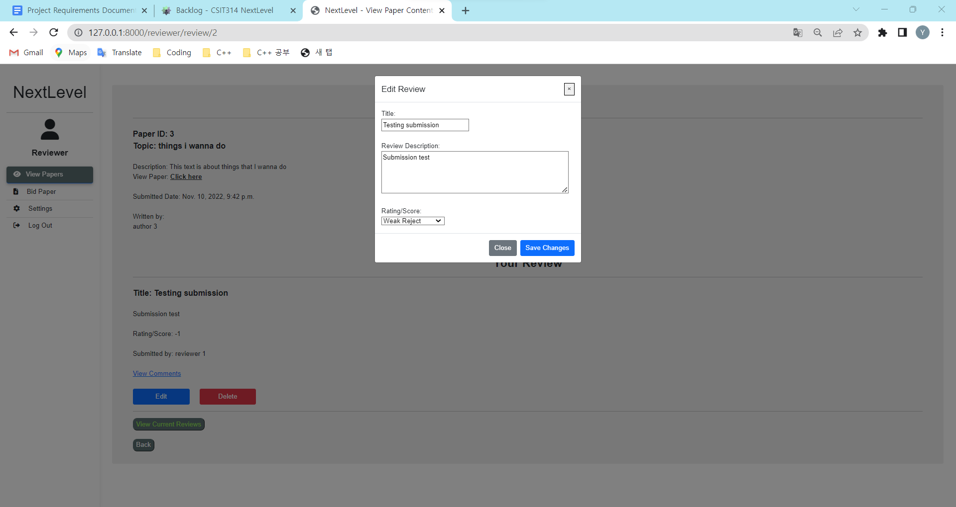
T4.2 - 2 | Reviewer edits title, review description and select rating/score. | review(title, description, rating, reviewer_id) | The changed details should appear in the text box. The user should be able to edit his previous review and score. | The changed details appears in the text box. | Pass | 
T4.2 - 3 | Reviewer clicks "Save changes" button. |  | System will upload the review and display the reviewer's review on the current paper. The user should be able to view the updated review with paper content. | System uploads the review and displays the reviewer's review on the current paper. | Pass | 